Pin Allocation
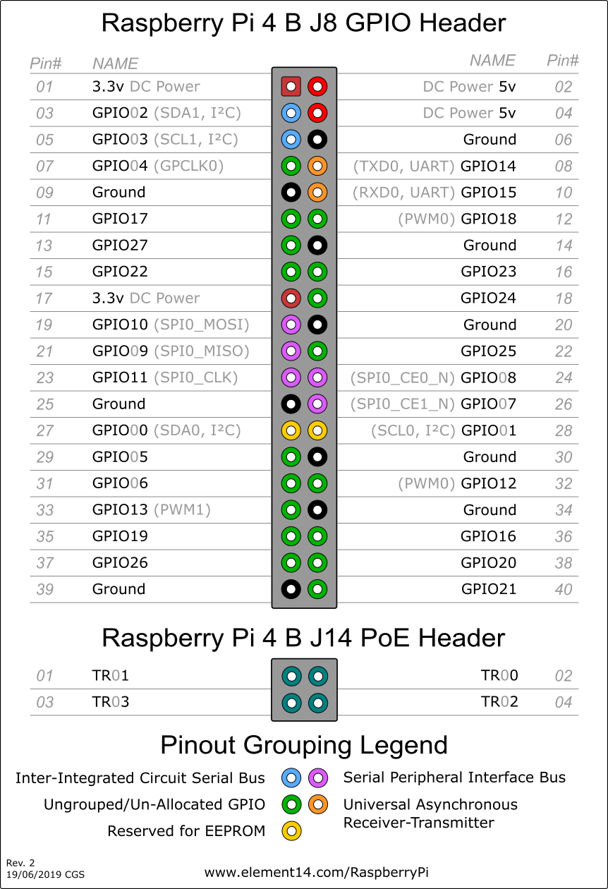
Rpi GPIO Pin | Used? | Used By? | Description | Bus
1 |  |  | 3.3v
2 |  |  | 5v
3 |  | MPU6050 | SDA | I2C
4 |  |  | 5v
5 |  | MPU6050 | SCL | I2C
6 |  |  | GND
7
8 |  | RS485 Hat | Tx | UART
9 |  |  | GND
10 |  | RS485 Hat | Rx | UART
11 |  | RS485 Hat | Resistor | UART
12
13
14 |  |  | GND
15
16
17 |  |  | 3.3v
18
19 |  | CAN Hat | MOSI | SPI0
20 |  |  | GND
21 |  | CAN Hat | MISO | SPI0
22
23 |  | CAN Hat | SCLK | SPI0
24 |  | CAN Hat | CE0 | SPI0
25 |  |  | GND
26
27
28
29
30 |  |  | GND
31
32
33
34 |  |  | GND
35
36
37
38
39
40

Electrical Setup
